2024 Travel Voucher
2024
 |  |  |  |  |  |  |  |  |  |  |  |  |  |  |  |  |  |  |  |  |  |  |  |  |  |  |  | MILEAGE RATE: | 0.670

TRAVEL EXPENSE VOUCHER

GENERAL INFORMATION |  |  |  |  |  |  |  |  |  |  |  |  |  |  |  |  |  |  |  |  |  |  |  |  |  |  | PLEASE USE THE VOUCHER ON THE CITY WEBSITE WHICH WILL ALWAYS BE THE MOST CURRENT. Voucher must be submitted within 30 days of the completed travel. Information should only be entered in the yellow highlighted boxes (cells) - the other areas of the form are set to auto fill. The City will reimburse for only those expenses incurred while on City business.
EMPLOYEE: |  |  |  |  |  |  |  |  |  |  |  |  |  |  |  |  |  |  |  |  | Departure Date: |  |  |  |  | 1
HOME ADDRESS: |  |  |  |  |  |  |  |  |  |  |  |  |  |  |  |  |  |  |  |  | Time:

Trip purpose: |  |  |  |  |  |  |  |  |  |  |  |  |  |  |  |  |  |  |  |  | Return Date:
Destination: |  |  |  |  |  |  |  |  |  |  |  |  |  |  |  |  |  |  |  |  | Time:

Section 1. TRANSPORTATION |  |  |  |  |  |  |  |  |  |  |  |  |  |  |  |  |  |  |  |  | Enter round trip miles here ¢ |  |  |  | TOTAL
 |  |  |  |  |  |  |  |  |  |  |  |  |  |  |  |  |  |  |  |  |  |  |  |  |  |  | In Section 1a., place an "X" in yellow box that best states how you traveled to your destination. The use of a personal car or motorcycle will require that you add in your mileage. Attach to your voucher a web mapping application showing miles to and from your destination (Google Maps or MapQuest). An explanation must be provided if miles claimed exceed the map app. In Section 1b., include any travel fees incurred.
a. | Mode of transportation: |  |  |  |  |  |  | Drove a City car
 |  |  |  |  |  |  |  | Went as passenger |  |  |  |  |  | Drove personal car |  |  |  |  |  |  | Mileage Rate : | 0.670 |  |  | 0.00

 |  |  |  |  |  |  |  |  |  |  |  |  |  |  |  |  |  |  |  |  |  |  |  |  | 0.00
b. | Any transportation fees: |  |  |  |  |  |  |  |  |  |  | Ferry |  |  |  | Parking-Long |  |  |  |  | Gas (city car only)
 |  |  |  |  |  |  |  |  |  |  |  | Tolls |  |  |  | Parking-short |  |  |  |  | Other:

Section 2. PER DIEM - provided requested information in the yellow boxes to calculate your per diem |  |  |  |  |  |  |  |  |  |  |  |  |  |  |  |  |  |  |  |  |  |  |  |  |  |  | Using the WA or Out-of-State PER DIEM Maps, enter the appropriate dollar amounts for each meal based on your destination. The dollar amounts for the 75% allowance for the 1st & last days will auto fill.

Enter PER DIEM rates: |  |  |  |  |  | Breakfast |  |  |  |  |  | Lunch |  |  |  | Dinner |  |  |  | = | 0.00
 |  |  |  |  |  | Rate@ 75% (auto fill) Breakfast | 0.00 |  |  |  |  | Lunch | 0.00 |  |  | Dinner | 0.00 |  |  | = | 0.00

 |  |  |  |  |  |  |  |  |  |  |  |  |  |  |  |  |  |  |  |  |  |  |  |  |  |  | Section 2a.: Place an "X" in the yellow box if your travel included an overnight stay and you seek meal reimbursement. Reimbursement deducted for for furnished meals (not including "continental breakfast"). To calculate deduction for meals provided at event, enter the "number" of meals (not the dollar values) in the yellow highlighted boxes.
a. | X | OVER-NIGHT TRAVEL - Enter "X" in yellow box to left if you wish to receive your allowance.
 | x |  |  |  |  |  |  |  |  |  |  |  |  |  |  |  |  |  |  |  |  |  |  |  | 0.00
 |  | ¿ | Per Diem meal allowance calculated at 75% for 1st and last days of travel (cell will auto fill) |  |  |  |  |  |  |  |  |  |  |  |  |  |  |  |  |  |  |  | ¢

 |  | ¿ | Per Diem meal allowance calculated at 100% for remaining days of travel (cell will auto fill) |  |  |  |  |  |  |  |  |  |  |  |  |  |  |  |  |  |  | 0 | ¢ |  | 0.00

 |  |  | } | Meal Adjustments - enter # of meals |  |  |  |  |  |  |  |  | On 1st & last days ¢ |  |  |  |  | Breakfast | Lunch |  | Dinner |  |  |  | 0.00
 |  |  |  | provided in the boxes to right.
 |  |  |  |  |  |  |  |  |  |  |  |  | On remaining days ¢ |  |  |  |  | Breakfast | Lunch |  | Dinner |  |  |  | 0.00

 |  |  |  |  |  |  |  |  |  |  |  |  |  |  |  |  |  |  |  |  |  |  |  |  | 0.00 |  | 2b: Enter the total charges for lodging and include a copy of your detailed bill with the voucher. Any meals or incidental charges charged to yourr room should be deducted on this voucher.
b. | LODGING - Enter bill total (if no lodging fees were incurred, provide explanation below in "Notes"): |  |  |  |  |  |  |  |  |  |  |  |  |  |  |  |  |  |  |  | }

 |  |  |  |  |  |  |  |  |  |  |  |  |  |  |  |  |  |  |  |  |  |  |  |  | 0.00
c. |  | DAY TRIP ONLY -Enter "X" in yellow box if you meet day travel criteria for meals and wish to receive your allowanceu |  |  |  |  |  |  |  |  |  |  |  |  |  |  |  |  |  |  |  |  |  |  |  |  | Section 2c.: To qualify for a single day meal allowance you must be in travel status of 12 or more hours or more. Per diem allowance will be at 75%. Please note that IRS states that payment of day trip meals are considered taxable income and must be processed through payroll. You may choose to opt out by checking and initialing the appropriate boxes.
 |  |  | Meal Adjustments - enter a "1" in the box for any meal provided at event ¢ |  |  |  |  |  |  |  |  |  |  |  |  |  |  |  |  |  |  |  |  |  | 0.00
 |  | } |  |  |  |  |  |  |  |  |  |  |  |  |  |  |  | Breakfast | Lunch |  | Dinner
 |  |  |  |  |  |  |  |  |  |  |  |  |  |  |  |  |  |  |  |  |  |  |  |  | 0.00
 |  |  |  |  | OPT OUT of meal reimbursement by placing an "X" in box & initialing below:
 |  |  |  |  | "I understand that by checking this box & placing my initials where indicated that I am declining
 |  |  |  |  | reimbursement for all meal expenses to which I am entitled to for this day trip." |  |  |  |  |  |  |  |  |  |  |  |  |  |  | Initials:

Section 3. OTHER EXPENSES/DEDUCTIONS (do not include fees for registration or training on this form)
Date |  |  |  |  | Description |  |  |  |  |  |  |  |  |  |  |  |  |  |  |  |  | Amount (+)
 |  |  |  |  |  |  |  |  |  |  |  |  |  |  |  |  |  |  |  |  |  |  |  |  | 0.00 |  | Section 3: Other travel expenses incurred that are not detailed above. Enter your information in the Date, Description and Amount columns. Dollar values will auto-fill in the "totals" column.
 |  |  |  |  |  |  |  |  |  |  |  |  |  |  |  |  |  |  |  |  |  |  |  |  | 0.00
 |  |  |  |  |  |  |  |  |  |  |  |  |  |  |  |  |  |  |  |  |  |  |  |  | 0.00
Section 4. DEDUCTIONS: CITY PURCHASE CARD expenses - provide brief description (if none, go to Section 5)
Date |  |  |  |  | Description |  |  |  |  |  |  |  |  |  |  |  |  |  |  |  |  | Amount (-)
 |  |  |  |  |  |  |  |  |  |  |  |  |  |  |  |  |  |  |  |  |  |  |  |  | 0.00
 |  |  |  |  |  |  |  |  |  |  |  |  |  |  |  |  |  |  |  |  |  |  |  |  | 0.00 |  | Section 4: Enter any transactions paid with your city purchase card while traveling as a POSITVE value in the "Amount" column. Provide the Date, & Description of the transaction. Dollar values will auto-fill in the "totals" column.
 |  |  |  |  |  |  |  |  |  |  |  |  |  |  |  |  |  |  |  |  |  |  |  |  | 0.00
 |  |  |  |  |  |  |  |  |  |  |  |  |  |  |  |  |  |  |  |  |  |  |  |  | 0.00
 |  |  |  |  |  |  |  |  |  |  |  |  |  |  |  |  |  |  |  |  |  |  |  |  | 0.00
 |  |  |  |  |  |  |  |  |  |  |  |  |  |  |  |  |  |  |  |  |  |  |  |  | 0.00
Section 5. LESS any TRAVEL ADVANCE: (If none requested, go to Section 6) |  |  |  |  |  |  |  |  |  |  |  |  |  |  |  |  |  |  |  |  |  |  |  |  |  |  | Section 5: If you received an advance, please fill-in the information as requested. Otherwise, move on to following section.
 |  |  |  |  |  |  |  |  |  |  |  |  |  |  |  |  |  |  |  |  |  |  |  |  | 0.00
 |  |  |  | Check Date: |  |  |  |  | Check Number: |  |  |  |  |  |  | Enter amount of advance:

Section 6. REQUIRED TRAVEL DOCUMENTS AND ALLOCATION |  |  |  |  |  |  |  |  |  |  |  |  |  |  |  |  | OWED TO EMPLOYEE |  |  |  |  |  | } |  | $0.00
STAPLE TO BACK OF VOUCHER
 |  |  |  |  |  |  |  |  |  | BARS CODE ALLOCATION OF EXPENSES |  |  |  |  |  |  |  |  |  |  |  |  |  |  |  |  | Section 6: COMPLETE THE BARS ALLOCATION. STAPLE appropriate receipts and/or documentation to back of form. Incomplete vouchers will be returned to the employee.
 | } | Travel Authorization form |  |  |  |  |  |  |  |  | xxx |  | xxx |  |  | xxx |  | xxx |  | xx |  | PM Code |  |  | Amount
 | } | Event/conference Agenda
 | } | Itemized Receipts
 | } | Certificate of Completion
 | } | Google or Map Quest

ACKNOWLEDGEMENT / SIGNATURES
I, the undersigned, do hereby certify under penalty of perjury that the claim is a just, due and unpaid obligation against the City of Port Townsend and that I am authorized to certify to said claim.
Employee |  |  |  |  |  |  |  |  |  |  |  | Date |  |  | Manager/Supervisor |  |  |  |  |  |  |  |  | Date

Notes:
 |  |  |  |  |  |  |  |  |  |  |  |  |  |  |  |  |  |  |  |  |  |  |  |  |  |  | Use this area to provide an explanation for extra mileage, no lodging fees or any other travel exceptions.

Per Diem Maps
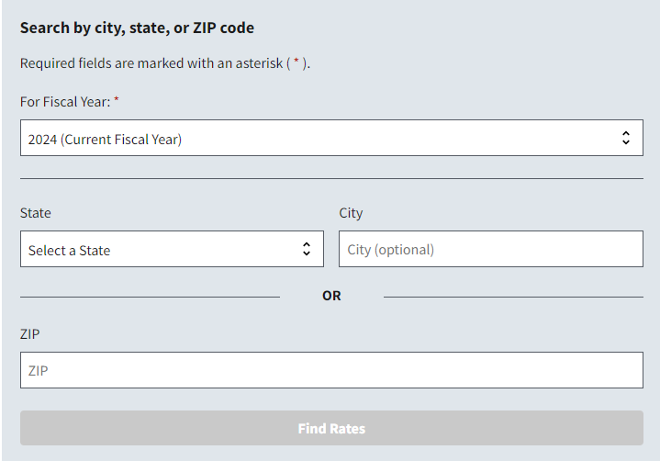
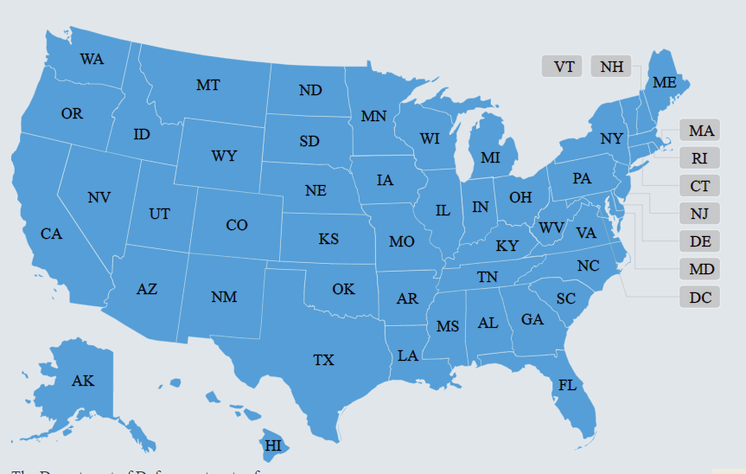
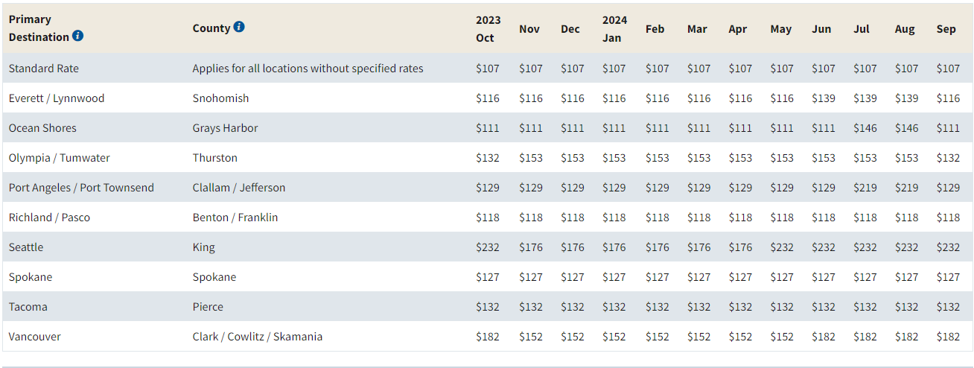
MEALS RATES FOR OFM AND GSA ARE ADJUSTED EVERY YEAR ON THE 1ST OF OCTOBER.
You should make sure you are using the most current rates by going to OFM or GSA website.

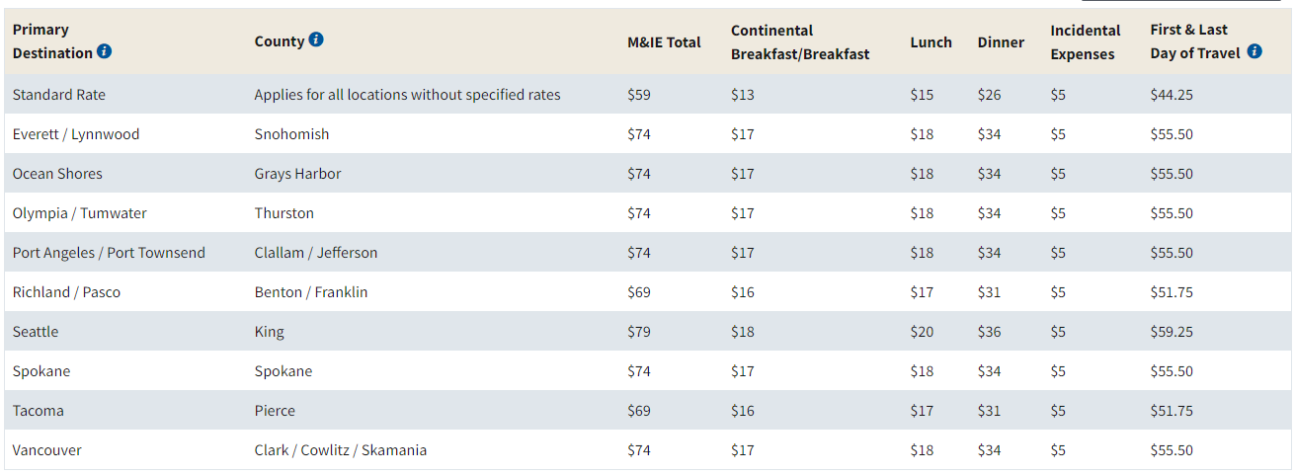

 |  |  | È | SCROLL DOWN | È

 |  |  |  | FOR OUT OF STATE

OUT OF STATE PER DIEM MAP (GSA) | Link: | Per Diem Rates

Below is a screen shot of the per diem section on the GSA website. From the GSA website (using the link provided above), you can either search by location [A] or by state [B] - simply place your cursor on your destination. A list of counties [C] will appear along with the per diem rates. A link is provided for your convenience.

